Sheet1
Image | CodArt | Number | Colorcode | DescColor | DescArt | Barcodes | Qty | RETAIL price | TOTAL Retail
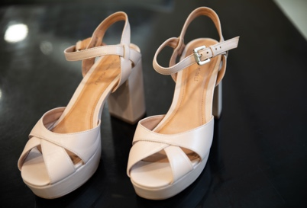 | 18E 13025 | 36 | 91 | POWDER PINK | SANDAL WITH HEEL AND PLATFORM 36 POWDER PINK MIXED LEATHER -MADE IN BRAZIL- | 2020000515883 | 9 | 152.00 € | 1,368.00 €
 | 18E 13025 | 37 | 91 | POWDER PINK | SANDAL WITH HEEL AND PLATFORM 37 POWDER PINK MIXED LEATHER -MADE IN BRAZIL- | 2020000515890 | 2 | 152.00 € | 304.00 €
 | 18E 13025 | 38 | 91 | POWDER PINK | SANDAL WITH HEEL AND PLATFORM 38 POWDER PINK MIXED LEATHER -MADE IN BRAZIL- | 2020000515906 | 1 | 152.00 € | 152.00 €
 | 18E 13025 | 39 | 91 | POWDER PINK | SANDAL WITH HEEL AND PLATFORM 39 POWDER PINK MIXED LEATHER -MADE IN BRAZIL- | 2020000515913 | 2 | 152.00 € | 304.00 €
 | 18E 13025 | 40 | 91 | POWDER PINK | SANDAL WITH HEEL AND PLATFORM 40 POWDER PINK MIXED LEATHER -MADE IN BRAZIL- | 2020000495208 | 3 | 152.00 € | 456.00 €
 | 18E 13025 | 41 | 91 | POWDER PINK | SANDAL WITH HEEL AND PLATFORM 41 POWDER PINK MIXED LEATHER -MADE IN BRAZIL- | 2020000515920 | 6 | 152.00 € | 912.00 €
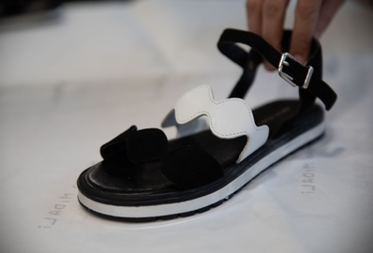 | 18E 13027 | 36 | V.3 | BLACK | TWO-TONE SANDAL WITH WAVY BANDS 36 VR.BLACK 100% LEATHER -MADE IN TURKEY- | 2020000515821 | 10 | 116.00 € | 1,160.00 €
 | 18E 13027 | 37 | V.3 | BLACK | TWO-TONE SANDAL WITH WAVY BANDS 37 VR.BLACK 100% LEATHER -MADE IN TURKEY- | 2020000515838 | 7 | 116.00 € | 812.00 €
 | 18E 13027 | 38 | V.3 | BLACK | TWO-TONE SANDAL WITH WAVY BANDS 38 VR.BLACK 100% LEATHER -MADE IN TURKEY- | 2020000515845 | 5 | 116.00 € | 580.00 €
 | 18E 13027 | 39 | V.3 | BLACK | TWO-TONE SANDAL WITH WAVY BANDS 39 VR.BLACK 100% LEATHER -MADE IN TURKEY- | 2020000515852 | 9 | 116.00 € | 1,044.00 €
 | 18E 13027 | 40 | V.3 | BLACK | TWO-TONE SANDAL WITH WAVY BANDS 40 VR.BLACK 100% LEATHER -MADE IN TURKEY- | 2020000515869 | 7 | 116.00 € | 812.00 €
 | 18E 13027 | 41 | V.3 | BLACK | TWO-TONE SANDAL WITH WAVY BANDS 41 VR.BLACK 100% LEATHER -MADE IN TURKEY- | 2020000515876 | 9 | 116.00 € | 1,044.00 €
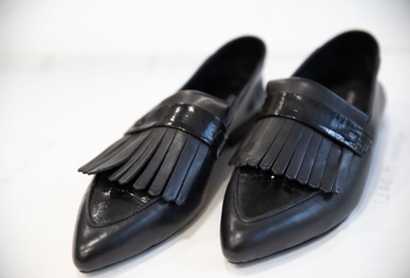 | 19E 13041 | 36 | 3 | BLACK | PRADA 36 BLACK SLIPPERS MADE IN PORTUGAL | 2020000590149 | 15 | 134.00 € | 2,010.00 €
 | 19E 13041 | 37 | 3 | BLACK | PRADA 37 BLACK SLIPPERS MADE IN PORTUGAL | 2020000590156 | 13 | 134.00 € | 1,742.00 €
 | 19E 13041 | 38 | 3 | BLACK | PRADA 38 BLACK SLIPPERS MADE IN PORTUGAL | 2020000590163 | 4 | 134.00 € | 536.00 €
 | 19E 13041 | 39 | 3 | BLACK | PRADA 39 BLACK SLIPPERS MADE IN PORTUGAL | 2020000590170 | 2 | 134.00 € | 268.00 €
 | 19E 13041 | 40 | 3 | BLACK | PRADA 40 BLACK SLIPPERS MADE IN PORTUGAL | 2020000570134 | 8 | 134.00 € | 1,072.00 €
 | 19E 13041 | 41 | 3 | BLACK | PRADA 41 BLACK SLIPPERS MADE IN PORTUGAL | 2020000590187 | 12 | 134.00 € | 1,608.00 €
 | 19E 13041 | 36 | V.10 | RED | PRADA 36 VR.RED SLIPPER MADE IN PORTUGAL | 2020000590194 | 10 | 134.00 € | 1,340.00 €
 | 19E 13041 | 37 | V.10 | RED | PRADA 37 VR.RED SLIPPER MADE IN PORTUGAL | 2020000590200 | 6 | 134.00 € | 804.00 €
 | 19E 13041 | 38 | V.10 | RED | PRADA 38 VR.RED SLIPPER MADE IN PORTUGAL | 2020000590217 | 2 | 134.00 € | 268.00 €
 | 19E 13041 | 40 | V.10 | RED | PRADA 40 VR.RED SLIPPER MADE IN PORTUGAL | 2020000570141 | 3 | 134.00 € | 402.00 €
 | 19E 13041 | 41 | V.10 | RED | PRADA 41 VR.RED SLIPPER MADE IN PORTUGAL | 2020000590231 | 6 | 134.00 € | 804.00 €
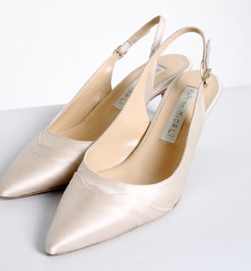 | 19E 13042 | 36 | 8 | PLASTER | CHANEL FINE HEEL 36 CHALK SATIN - MADE IN PORTUGAL | 2020000590767 | 30 | 170.00 € | 5,100.00 €
 | 19E 13042 | 37 | 8 | PLASTER | CHANEL FINE HEEL 37 CHALK SATIN -MADE IN PORTUGAL | 2020000590774 | 31 | 170.00 € | 5,270.00 €
 | 19E 13042 | 38 | 8 | PLASTER | CHANEL FINE HEEL 38 CHALK SATIN -MADE IN PORTUGAL | 2020000590781 | 37 | 170.00 € | 6,290.00 €
 | 19E 13042 | 39 | 8 | PLASTER | CHANEL FINE HEEL 39 CHALK SATIN -MADE IN PORTUGAL | 2020000590798 | 39 | 170.00 € | 6,630.00 €
 | 19E 13042 | 40 | 8 | PLASTER | CHANEL FINE HEEL 40 CHALK SATIN -MADE IN PORTUGAL | 2020000570004 | 38 | 170.00 € | 6,460.00 €
 | 19E 13042 | 41 | 8 | PLASTER | CHANEL FINE HEEL 41 CHALK SATIN -MADE IN PORTUGAL | 2020000590804 | 24 | 170.00 € | 4,080.00 €
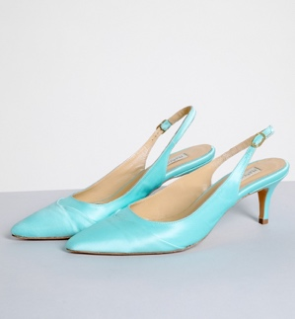 | 19E 13042 | 36 | 58 | TURQUOISE | CHANEL FINE HEEL 36 TURQUOISE SATIN - MADE IN PORTUGAL | 2020000590811 | 15 | 170.00 € | 2,550.00 €
 | 19E 13042 | 37 | 58 | TURQUOISE | CHANEL FINE HEEL 37 TURQUOISE SATIN - MADE IN PORTUGAL | 2020000590828 | 16 | 170.00 € | 2,720.00 €
 | 19E 13042 | 38 | 58 | TURQUOISE | CHANEL FINE HEEL 38 TURQUOISE SATIN - MADE IN PORTUGAL | 2020000590835 | 19 | 170.00 € | 3,230.00 €
 | 19E 13042 | 39 | 58 | TURQUOISE | CHANEL FINE HEEL 39 TURQUOISE SATIN - MADE IN PORTUGAL | 2020000590842 | 12 | 170.00 € | 2,040.00 €
 | 19E 13042 | 40 | 58 | TURQUOISE | CHANEL FINE HEEL 40 TURQUOISE SATIN - MADE IN PORTUGAL | 2020000570011 | 17 | 170.00 € | 2,890.00 €
 | 19E 13042 | 41 | 58 | TURQUOISE | CHANEL FINE HEEL 41 TURQUOISE SATIN - MADE IN PORTUGAL | 2020000590859 | 18 | 170.00 € | 3,060.00 €
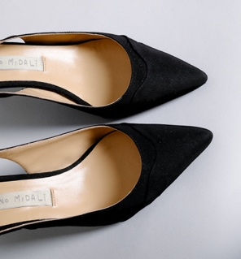 | 19E 13042 | 36 | 3 | BLACK | CHANEL FINE HEEL 36 BLACK SATIN - MADE IN PORTUGAL | 2020000590736 | 32 | 170.00 € | 5,440.00 €
 | 19E 13042 | 37 | 3 | BLACK | CHANEL FINE HEEL 37 BLACK SATIN - MADE IN PORTUGAL | 2020000591115 | 29 | 170.00 € | 4,930.00 €
 | 19E 13042 | 38 | 3 | BLACK | CHANEL FINE HEEL 38 BLACK SATIN - MADE IN PORTUGAL | 2020000591122 | 36 | 170.00 € | 6,120.00 €
 | 19E 13042 | 39 | 3 | BLACK | CHANEL FINE HEEL 39 BLACK SATIN - MADE IN PORTUGAL | 2020000590743 | 25 | 170.00 € | 4,250.00 €
 | 19E 13042 | 40 | 3 | BLACK | CHANEL FINE HEEL 40 BLACK SATIN - MADE IN PORTUGAL | 2020000571124 | 17 | 170.00 € | 2,890.00 €
 | 19E 13042 | 41 | 3 | BLACK | CHANEL FINE HEEL 41 BLACK SATIN - MADE IN PORTUGAL | 2020000590750 | 23 | 170.00 € | 3,910.00 €
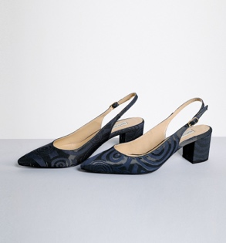 | 19E 13043 | 36 | V.2 | BLUE | CHANEL BIG HEELS 36 VR.BLU 50%PL 25%CO 25%PA -MADE IN PORTUGAL | 2020000590866 | 21 | 170.00 € | 3,570.00 €
 | 19E 13043 | 37 | V.2 | BLUE | CHANEL BIG HEELS 37 VR.BLU 50%PL 25%CO 25%PA -MADE IN PORTUGAL | 2020000590873 | 12 | 170.00 € | 2,040.00 €
 | 19E 13043 | 38 | V.2 | BLUE | CHANEL BIG HEELS 38 VR.BLU 50%PL 25%CO 25%PA -MADE IN PORTUGAL | 2020000590880 | 10 | 170.00 € | 1,700.00 €
 | 19E 13043 | 39 | V.2 | BLUE | CHANEL BIG HEELS 39 VR.BLU 50%PL 25%CO 25%PA -MADE IN PORTUGAL | 2020000590897 | 3 | 170.00 € | 510.00 €
 | 19E 13043 | 40 | V.2 | BLUE | CHANEL BIG HEEL 40 VR.BLU 50%PL 25%CO 25%PA -MADE IN PORTUGAL | 2020000570028 | 9 | 170.00 € | 1,530.00 €
 | 19E 13043 | 41 | V.2 | BLUE | CHANEL BIG HEELS 41 VR.BLU 50%PL 25%CO 25%PA -MADE IN PORTUGAL | 2020000590903 | 10 | 170.00 € | 1,700.00 €
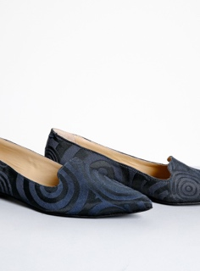 | 19E 13044 | 36 | V.2 | BLUE | FABRIC SLIPPER 36 VR.BLU 50%PL 25%CO 25%PA -MADE IN PORTUGAL | 2020000590965 | 24 | 170.00 € | 4,080.00 €
 | 19E 13044 | 37 | V.2 | BLUE | SLIPPER FABRIC 37 VR.BLU 50%PL 25%CO 25%PA -MADE IN PORTUGAL | 2020000590972 | 15 | 170.00 € | 2,550.00 €
 | 19E 13044 | 38 | V.2 | BLUE | FABRIC SLIPPER 38 VR.BLU 50%PL 25%CO 25%PA -MADE IN PORTUGAL | 2020000590989 | 10 | 170.00 € | 1,700.00 €
 | 19E 13044 | 39 | V.2 | BLUE | FABRIC SLIPPER 39 VR.BLU 50%PL 25%CO 25%PA -MADE IN PORTUGAL | 2020000590996 | 8 | 170.00 € | 1,360.00 €
 | 19E 13044 | 40 | V.2 | BLUE | SLIPPER FABRIC 40 VR.BLU 50%PL 25%CO 25%PA -MADE IN PORTUGAL | 2020000570042 | 12 | 170.00 € | 2,040.00 €
 | 19E 13044 | 41 | V.2 | BLUE | SLIPPER FABRIC 41 VR.BLU 50%PL 25%CO 25%PA -MADE IN PORTUGAL | 2020000591009 | 10 | 170.00 € | 1,700.00 €
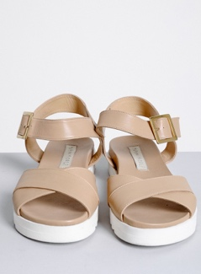 | 19E 13046 | 36 | 8 | PLASTER | SANDAL WITH CROSSING 36 LEATHER CHALK -MADE IN PORTUGAL | 2020000591016 | 19 | 161.00 € | 3,059.00 €
 | 19E 13046 | 37 | 8 | PLASTER | SANDAL WITH CROSSING 37 LEATHER CHALK -MADE IN PORTUGAL | 2020000591023 | 15 | 161.00 € | 2,415.00 €
 | 19E 13046 | 38 | 8 | PLASTER | SANDAL WITH CROSSING 38 LEATHER CHALK - MADE IN PORTUGAL | 2020000591030 | 18 | 161.00 € | 2,898.00 €
 | 19E 13046 | 39 | 8 | PLASTER | SANDAL WITH CROSSING 39 LEATHER PLASTER - MADE IN PORTUGAL | 2020000591047 | 13 | 161.00 € | 2,093.00 €
 | 19E 13046 | 40 | 8 | PLASTER | SANDAL WITH CROSSING 40 LEATHER PLASTER - MADE IN PORTUGAL | 2020000570066 | 6 | 161.00 € | 966.00 €
 | 19E 13046 | 41 | 8 | PLASTER | SANDAL WITH CROSSING 41 LEATHER CHALK - MADE IN PORTUGAL | 2020000591054 | 16 | 161.00 € | 2,576.00 €
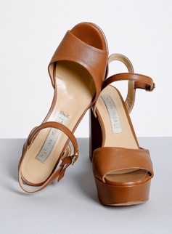 | 19E 13047 | 36 | 7 | BROWN | SANDAL WITH HEEL 36 BROWN LEATHER - MADE IN PORTUGAL | 2020000591061 | 8 | 179.00 € | 1,432.00 €
 | 19E 13047 | 37 | 7 | BROWN | SANDAL WITH HEEL 37 BROWN LEATHER - MADE IN PORTUGAL | 2020000591078 | 7 | 179.00 € | 1,253.00 €
 | 19E 13047 | 38 | 7 | BROWN | SANDAL WITH HEEL 38 BROWN LEATHER - MADE IN PORTUGAL | 2020000591085 | 3 | 179.00 € | 537.00 €
 | 19E 13047 | 39 | 7 | BROWN | SANDAL WITH HEEL 39 BROWN LEATHER - MADE IN PORTUGAL | 2020000591092 | 9 | 179.00 € | 1,611.00 €
 | 19E 13047 | 40 | 7 | BROWN | SANDAL WITH HEEL 40 BROWN LEATHER - MADE IN PORTUGAL | 2020000570080 | 23 | 179.00 € | 4,117.00 €
 | 19E 13047 | 41 | 7 | BROWN | SANDAL WITH HEEL 41 BROWN LEATHER - MADE IN PORTUGAL | 2020000591108 | 17 | 179.00 € | 3,043.00 €
 | 19I 13055 | 36 | V.2 | BLUE | SNEAKERS SCOTTISH FABRIC 36 VR.BLUE 100% LEATHER MADE IN ITALY | 2020000624707 | 15 | 134.00 € | 2,010.00 €
 | 19I 13055 | 37 | V.2 | BLUE | SNEAKERS SCOTTISH FABRIC 37 VR.BLUE 100% LEATHER MADE IN ITALY | 2020000624714 | 5 | 134.00 € | 670.00 €
 | 19I 13055 | 38 | V.2 | BLUE | SNEAKERS SCOTTISH FABRIC 38 VR.BLUE 100% LEATHER MADE IN ITALY | 2020000624721 | 4 | 134.00 € | 536.00 €
 | 19I 13055 | 39 | V.2 | BLUE | SNEAKERS SCOTTISH FABRIC 39 VR.BLUE 100% LEATHER MADE IN ITALY | 2020000624738 | 1 | 134.00 € | 134.00 €
 | 19I 13055 | 40 | V.2 | BLUE | SNEAKERS SCOTTISH FABRIC 40 VR.BLUE 100% LEATHER MADE IN ITALY | 2020000605652 | 6 | 134.00 € | 804.00 €
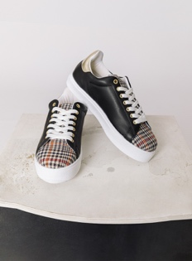 | 19I 13056 | 36 | V.3 | BLACK | SNEAKERS PIED DE POULE 36 VR.BLACK 100% LEATHER MADE IN ITALY | 2020000624769 | 10 | 134.00 € | 1,340.00 €
 | 19I 13056 | 37 | V.3 | BLACK | SNEAKERS PIED DE POULE 37 VR.BLACK 100% LEATHER MADE IN ITALY | 2020000624776 | 16 | 134.00 € | 2,144.00 €
 | 19I 13056 | 38 | V.3 | BLACK | SNEAKERS PIED DE POULE 38 VR.BLACK 100% LEATHER MADE IN ITALY | 2020000624783 | 15 | 134.00 € | 2,010.00 €
 | 19I 13056 | 39 | V.3 | BLACK | SNEAKERS PIED DE POULE 39 VR.BLACK 100% LEATHER MADE IN ITALY | 2020000624790 | 9 | 134.00 € | 1,206.00 €
 | 19I 13056 | 40 | V.3 | BLACK | SNEAKERS PIED DE POULE 40 VR.BLACK 100% LEATHER MADE IN ITALY | 2020000624806 | 11 | 134.00 € | 1,474.00 €
 | 19I 13056 | 41 | V.3 | BLACK | SNEAKERS PIED DE POULE 41 VR.BLACK 100% LEATHER MADE IN ITALY | 2020000624813 | 6 | 134.00 € | 804.00 €
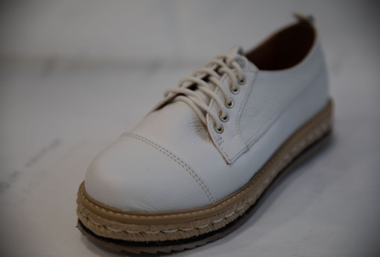 | BE 13023 | 36 | 4 | NATURAL | SNEAKERS WITH CORD PARA 36 NATURAL MIXED LEATHER -MADE IN BRAZIL- | 2020000790181 | 16 | 145.00 € | 2,320.00 €
 | BE 13023 | 37 | 4 | NATURAL | SNEAKERS WITH CORD PARA 37 NATURAL MIXED LEATHER -MADE IN BRAZIL- | 2020000790198 | 18 | 145.00 € | 2,610.00 €
 | BE 13023 | 38 | 4 | NATURAL | SNEAKERS WITH CORD PARA 38 NATURAL MIXED LEATHER -MADE IN BRAZIL- | 2020000790204 | 16 | 145.00 € | 2,320.00 €
 | BE 13023 | 39 | 4 | NATURAL | SNEAKERS WITH CORD PARA 39 NATURAL MIXED LEATHER -MADE IN BRAZIL- | 2020000790211 | 14 | 145.00 € | 2,030.00 €
 | BE 13023 | 40 | 4 | NATURAL | SNEAKERS WITH CORD PARA 40 NATURAL MIXED LEATHER -MADE IN BRAZIL- | 2020000790228 | 10 | 145.00 € | 1,450.00 €
 | BE 13023 | 41 | 4 | NATURAL | SNEAKERS WITH CORD PARA 41 NATURAL MIXED LEATHER -MADE IN BRAZIL- | 2020000790235 | 6 | 145.00 € | 870.00 €
 | BI 13031 | 36 | 3 | BLACK | BLACK HIGH BOOTS 36 BLACK | 2020000751748 | 9 | 188.00 € | 1,692.00 €
 | BI 13031 | 37 | 3 | BLACK | BLACK HIGH BOOTS 37 BLACK | 2020000751755 | 5 | 188.00 € | 940.00 €
 | BI 13031 | 38 | 3 | BLACK | BLACK HIGH BOOTS 38 BLACK | 2020000751762 | 2 | 188.00 € | 376.00 €
 | BI 13031 | 39 | 3 | BLACK | BLACK HIGH BOOTS 39 BLACK | 2020000751779 | 4 | 188.00 € | 752.00 €
 | BI 13031 | 40 | 3 | BLACK | BLACK HIGH BOOT 40 BLACK | 2020000751786 | 4 | 188.00 € | 752.00 €
 | BI 13031 | 41 | 3 | BLACK | BLACK HIGH BOOT 41 BLACK | 2020000751793 | 3 | 188.00 € | 564.00 €
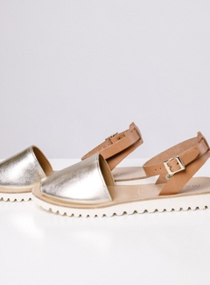 | O19E 13053 | 36 | V.36 | GOLD | MAJORCAN SANDAL 36 VR. GOLD 100% LEATHER | 2020000602835 | 10 | 116.00 € | 1,160.00 €
 | O19E 13053 | 37 | V.36 | GOLD | MAJORCAN SANDAL 37 VR. GOLD 100% LEATHER | 2020000602842 | 6 | 116.00 € | 696.00 €
 | O19E 13053 | 38 | V.36 | GOLD | MAJORCAN SANDAL 38 VR. GOLD 100% LEATHER | 2020000602859 | 5 | 116.00 € | 580.00 €
 | O19E 13053 | 39 | V.36 | GOLD | MAJORCAN SANDAL 39 VR. GOLD 100% LEATHER | 2020000602866 | 1 | 116.00 € | 116.00 €
 | O19E 13053 | 40 | V.36 | GOLD | MAJORCAN SANDAL 40 VR. GOLD 100% LEATHER | 2020000602873 | 5 | 116.00 € | 580.00 €
 | O19E 13053 | 41 | V.36 | GOLD | MAJORCAN SANDAL 41 VR. GOLD 100% LEATHER | 2020000602880 | 7 | 116.00 € | 812.00 €
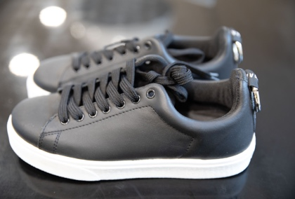 | O19I 13058 | 36 | 3 | BLACK | SNEAKERS W/RING 36 BLACK 100% LEATHER -MADE IN ITALY- | 2020000624936 | 16 | 134.00 € | 2,144.00 €
 | O19I 13058 | 37 | 3 | BLACK | SNEAKERS W/RING 37 BLACK 100% LEATHER -MADE IN ITALY- | 2020000624943 | 15 | 134.00 € | 2,010.00 €
 | O19I 13058 | 38 | 3 | BLACK | SNEAKERS W/RING 38 BLACK 100% LEATHER -MADE IN ITALY- | 2020000624950 | 6 | 134.00 € | 804.00 €
 | O19I 13058 | 39 | 3 | BLACK | SNEAKERS WITH RING 39 BLACK 100% LEATHER -MADE IN ITALY- | 2020000624967 | 10 | 134.00 € | 1,340.00 €
 | O19I 13058 | 40 | 3 | BLACK | SNEAKERS W/RING 40 BLACK 100% LEATHER -MADE IN ITALY- | 2020000605683 | 8 | 134.00 € | 1,072.00 €
 | O19I 13058 | 41 | 3 | BLACK | SNEAKERS WITH RING 41 BLACK 100% LEATHER -MADE IN ITALY- | 2020000624974 | 1 | 134.00 € | 134.00 €
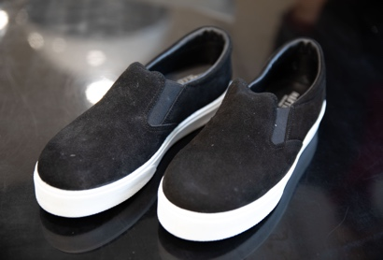 | O19I 13062 | 36 | 3 | BLACK | SLIP ON SUEDE 36 BLACK 100% LEATHER -MADE IN ITALY- | 2020000624820 | 6 | 125.00 € | 750.00 €
 | O19I 13062 | 37 | 3 | BLACK | SLIP ON SUEDE 37 BLACK 100% LEATHER -MADE IN ITALY- | 2020000624837 | 11 | 125.00 € | 1,375.00 €
 | O19I 13062 | 38 | 3 | BLACK | SLIP ON SUEDE 38 BLACK 100% LEATHER -MADE IN ITALY- | 2020000624844 | 6 | 125.00 € | 750.00 €
 | O19I 13062 | 39 | 3 | BLACK | SLIP ON SUEDE 39 BLACK 100% LEATHER -MADE IN ITALY- | 2020000624851 | 8 | 125.00 € | 1,000.00 €
 | O19I 13062 | 40 | 3 | BLACK | SLIP ON SUEDE 40 BLACK 100% LEATHER -MADE IN ITALY- | 2020000616283 | 11 | 125.00 € | 1,375.00 €
 | O19I 13062 | 41 | 3 | BLACK | SLIP ON SUEDE 41 BLACK 100% LEATHER -MADE IN ITALY- | 2020000624868 | 7 | 125.00 € | 875.00 €
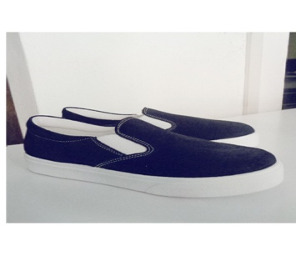 | OEC 13062 | 36 | V.2 | NAVY BLUE | SLIP-ON SUEDE 36 VR. NAVY BLUE 100% LEATHER - MADE IN ITALY | 2020000755487 | 13 | 125.00 € | 1,625.00 €
 | OEC 13062 | 37 | V.2 | NAVY BLUE | SLIP-ON SUEDE 37 VR. NAVY BLUE 100% LEATHER - MADE IN ITALY | 2020000755494 | 24 | 125.00 € | 3,000.00 €
 | OEC 13062 | 38 | V.2 | NAVY BLUE | SLIP-ON SUEDE 38 VR. NAVY BLUE 100% LEATHER - MADE IN ITALY | 2020000755500 | 17 | 125.00 € | 2,125.00 €
 | OEC 13062 | 39 | V.2 | NAVY BLUE | SLIP ON SUEDE 39 VR. NAVY BLUE 100% LEATHER - MADE IN ITALY | 2020000755517 | 11 | 125.00 € | 1,375.00 €
 | OEC 13062 | 40 | V.2 | NAVY BLUE | SLIP ON SUEDE 40 VR. NAVY BLUE 100% LEATHER - MADE IN ITALY | 2020000715580 | 17 | 125.00 € | 2,125.00 €
 | OEC 13062 | 41 | V.2 | NAVY BLUE | SLIP ON SUEDE 41 VR. NAVY BLUE 100% LEATHER - MADE IN ITALY | 2020000755524 | 5 | 125.00 € | 625.00 €
 | OEC 13062 | 36 | V.10 | FIRE RED | SLIP-ON SUEDE 36 VR. FIRE RED 100% LEATHER - MADE IN ITALY | 2020000755531 | 9 | 125.00 € | 1,125.00 €
 | OEC 13062 | 37 | V.10 | FIRE RED | SLIP-ON SUEDE 37 VR. FIRE RED 100% LEATHER - MADE IN ITALY | 2020000755548 | 17 | 125.00 € | 2,125.00 €
 | OEC 13062 | 38 | V.10 | FIRE RED | SLIP-ON SUEDE 38 VR. FIRE RED 100% LEATHER - MADE IN ITALY | 2020000755555 | 14 | 125.00 € | 1,750.00 €
 | OEC 13062 | 39 | V.10 | FIRE RED | SLIP ON SUEDE 39 VR. FIRE RED 100% LEATHER - MADE IN ITALY | 2020000755562 | 11 | 125.00 € | 1,375.00 €
 | OEC 13062 | 40 | V.10 | FIRE RED | SLIP ON SUEDE 40 VR. FIRE RED 100% LEATHER - MADE IN ITALY | 2020000715597 | 12 | 125.00 € | 1,500.00 €
 | OEC 13062 | 41 | V.10 | FIRE RED | SLIP ON SUEDE 41 VR. FIRE RED 100% LEATHER - MADE IN ITALY | 2020000755579 | 11 | 125.00 € | 1,375.00 €
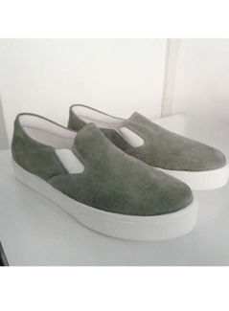 | OEC 13062 | 36 | V.23 | MEDIUM GRAY | SLIP-ON SUEDE 36 VR. MEDIUM GRAY 100% LEATHER - MADE IN ITALY | 2020000755586 | 11 | 125.00 € | 1,375.00 €
 | OEC 13062 | 37 | V.23 | MEDIUM GRAY | SLIP-ON SUEDE 37 VR. MEDIUM GRAY 100% LEATHER - MADE IN ITALY | 2020000755593 | 14 | 125.00 € | 1,750.00 €
 | OEC 13062 | 38 | V.23 | MEDIUM GRAY | SLIP-ON SUEDE 38 VR. MEDIUM GRAY 100% LEATHER - MADE IN ITALY | 2020000755609 | 8 | 125.00 € | 1,000.00 €
 | OEC 13062 | 39 | V.23 | MEDIUM GRAY | SLIP ON SUEDE 39 VR. MEDIUM GRAY 100% LEATHER - MADE IN ITALY | 2020000755616 | 10 | 125.00 € | 1,250.00 €
 | OEC 13062 | 40 | V.23 | MEDIUM GRAY | SLIP ON SUEDE 40 VR. MEDIUM GRAY 100% LEATHER - MADE IN ITALY | 2020000715603 | 14 | 125.00 € | 1,750.00 €
 | OEC 13062 | 41 | V.23 | MEDIUM GRAY | SLIP ON SUEDE 41 VR. MEDIUM GRAY 100% LEATHER - MADE IN ITALY | 2020000755623 | 5 | 125.00 € | 625.00 €
 |  |  |  |  |  |  | 1474 |  | 223,398.00 €

